Sheet1
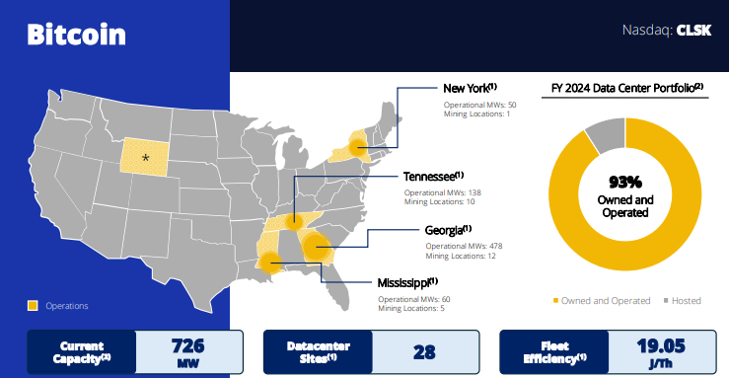
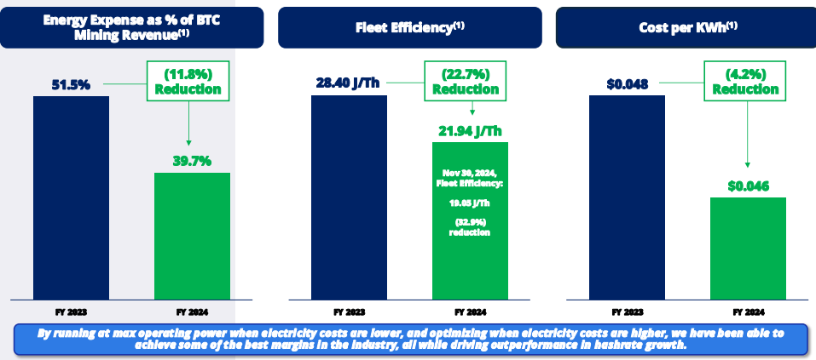
 |  |  | In Thousands
 |  |  |  | $10.38
 | deploys Ant Miner rig | Price | 10.31 | As of 20/9/24
 | Georgia site 12 MW, 0.8 EH/s | Shares | 248,119 | Q224
 | Wyoming site, 5EH/s coming in Q2 25 | MC | 2,558,107
 |  | Cash | 126,141 | Q224
 | Nov | Debt | 66,153 | Q224
 |  | EV | 2,498,119 | Q224

as of jan 2025 | Current BTC holdings: 10,050

